Sheet3
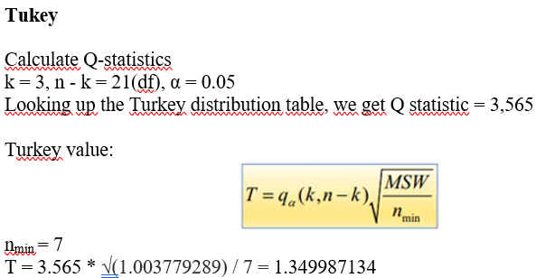
Anova: Single Factor

SUMMARY
Groups | Count | Sum | Average | Variance
College graduate | 9 | 31 | 3.4444444444 | 1.0277777778 | 0.62673611111
Graduate degree | 8 | 36 | 4.5 | 0.57142857143 | 5.0138888889
Some college | 7 | 22 | 3.1428571429 | 1.4761904762 | 2.238343254
 | 24 | 89 | 3.7083333333 |  | 7.878968254

ANOVA
Source of Variation | SS | df | MS | F | P-value | F crit
Between Groups | 7.878968254 | 2 | 3.939484127 | 3.9246517319 | 0.035635397565 | 3.4668001115
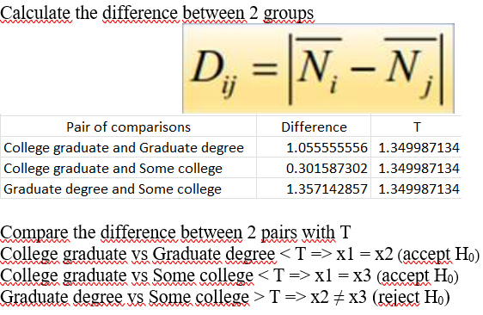
Within Groups | 21.079365079 | 21 | 1.0037792895

Total | 28.958333333 | 23

Q-statistics | 3.565
T | 1.3499871344

Sheet2
Education | Satisfaction* |  | College graduate | Graduate degree | Some college |  | College graduate | Graduate degree | Some college
College graduate | 5 |  | 5 | 3 | 4 |  | 2.4197530864 | 2.25 | 0.73469387755
College graduate | 3 |  | 3 | 4 | 1 |  | 0.1975308642 | 0.25 | 4.5918367347
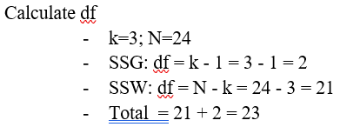
College graduate | 5 |  | 5 | 5 | 4 |  | 2.4197530864 | 0.25 | 0.73469387755
College graduate | 3 |  | 3 | 5 | 2 |  | 0.1975308642 | 0.25 | 1.306122449
College graduate | 3 |  | 3 | 5 | 3 |  | 0.1975308642 | 0.25 | 0.020408163265
College graduate | 3 |  | 3 | 4 | 4 |  | 0.1975308642 | 0.25 | 0.73469387755
College graduate | 3 |  | 3 | 5 | 4 |  | 0.1975308642 | 0.25 | 0.73469387755
College graduate | 4 |  | 4 | 5 |  |  | 0.30864197531 | 0.25
College graduate | 2 |  | 2 |  |  |  | 2.0864197531
Graduate degree | 3 | average | 3.4444444444 | 4.5 | 3.1428571429 | sum | 8.2222222222 | 4 | 8.8571428571 | 21.079365079
Graduate degree | 4 |  | Anova: Single Factor
Graduate degree | 5
Graduate degree | 5 |  | SUMMARY
Graduate degree | 5 |  | Groups | Count | Sum | Average | Variance
Graduate degree | 4 |  | College graduate | 9 | 31 | 3.4444444444 | 1.0277777778 | 0.62673611111
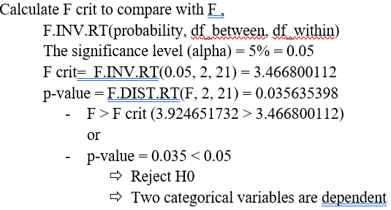
Graduate degree | 5 |  | Graduate degree | 8 | 36 | 4.5 | 0.57142857143 | 5.0138888889
Graduate degree | 5 |  | Some college | 7 | 22 | 3.1428571429 | 1.4761904762 | 2.238343254
Some college | 4 |  |  | 24 | 89 | 3.7083333333 |  | 7.878968254
Some college | 1
Some college | 4 |  | ANOVA
Some college | 2 |  | Source of Variation | SS | df | MS | F | P-value | F crit
Some college | 3 |  | Between Groups | 7.878968254 | 2 | 3.939484127 | 3.9246517319 | 0.035635397565 | 3.4668001115 | 3.4668001115
Some college | 4 |  | Within Groups | 21.079365079 | 21 | 1.0037792895
Some college | 4
 |  |  | Total | 28.958333333 | 23

 |  |  | Q-statistics | 3.565
 |  |  | T | 1.3499871344

